Installation
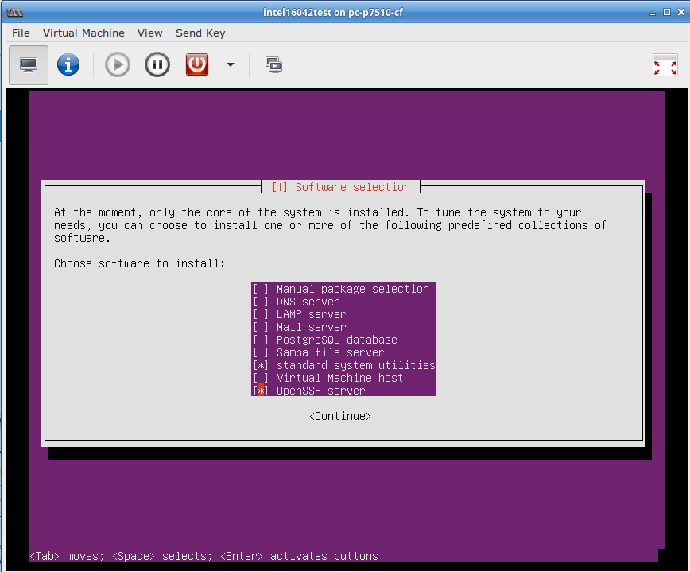
1 Fill in all red fields on sheet "Network Configuration sheet of NetworkConfigTemplate_v*.xlsx 2 Install Ubuntu 16.04.5 64 bit Server edition with standard system utilities and OpenSSH server selected on last installation screen Software Selection (see screenshot on the left) Link: http://releases.ubuntu.com/16.04.2/ubuntu-16.04.2-server-amd64.iso NG40 server: RAN, MME 3 On the NG40 RAN server: $ cd ~ $ cp OR git clone https://asunderr@ilpm.intel-research.net/stash/scm/vccbbk/ng4t.git $ cd ng4t/ $ ./ng40install Press enter to continue after the NG40 splash screen. Read and accept the displayed copyright. On the first run the installer asks for the ng40 user and stores the selected user Select "Test System Installation" and press enter Enter Server and login information from the excel sheet in the screen "RAN, MME, DUT (Device Under Test) details" To add server select "add new server" and press enter To finish server configuration selct "exit" and press enter Select the servers you want to install - you can select server configured as Network Element 'ran' or 'mme'. Multiple server can be selected. Installation will start and details results are continued at the end - confirm with 'continue' button. Configure the NG40 'ran' server in the screen "Configure dpdk devices and cores" At the end a summary of the installation is displayed and written to the file installreport.txt. 4. You can select "Verify/Update Test System Configuration" in the main menu to: Verify ethernet devices with the menu "Show server ethernet device configuration" Verify the 10G connections (user plane) with the menue "Test connections between 2 servers" In case the ssh IP of a NG40 server changes later you can update the NG40 with the menue point "Update Test System internal interfaces" Change the ng40 user name 5 request license - send organization name, Installation Report and for every ng40 server

